Sheet1
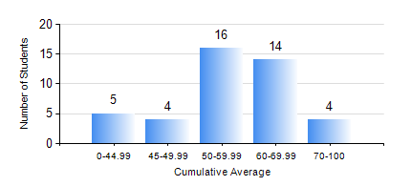
 |  |  | KWAME NKRUMAH UNIVERSITY OF SCIENCE AND TECHNOLOGY, KUMASI Department of Mechanical Engineering

 |  |  | BSC. MARINE ENG.

 |  |  | COMPREHENSIVE RECORD OF EXAMINATION RESULTS

 |  |  | RESULTS OF YEAR 1 FIRST SEMESTER, 2023/2024 ACADEMIC YEAR

 | Sn | Course Code |  | Course Name | Credit Hours | Min. Mark | Max. Mark | Avg. Mark | Std. Dev. | No. Passed | No. Trailed | No. (Df) | No. (I) | No. (I*) | No. Tagged(I,I*,Df) | Total
 | 1. | EE 151 |  | APPLIED ELECTRICITY | 3 | 15 | 82 | 53 | 12.82 | 39 | 4 | 0 | 0 | 0 | 0 | 43
 | 2. | ENGL 157 |  | COMMUNICATION SKILLS I | 2 | 40 | 79 | 60 | 10.99 | 43 | 0 | 0 | 0 | 0 | 0 | 43
 | 3. | FC 181 |  | FRENCH FOR COMMUNICATION PURPOSES I | 2 | 50 | 88 | 70 | 11.65 | 43 | 0 | 0 | 0 | 0 | 0 | 43
 | 4. | MATH 151 |  | ALGEBRA | 4 | 10 | 88 | 52 | 18.41 | 35 | 8 | 0 | 0 | 0 | 0 | 43
 | 5. | ME 157 |  | INTRODUCTION TO INFORMATION TECHNOLOGY | 2 | 40 | 70 | 51 | 9.03 | 43 | 0 | 0 | 0 | 0 | 0 | 43
 | 6. | ME 159 |  | TECHNICAL DRAWING | 3 | 40 | 80 | 56 | 9.36 | 43 | 0 | 0 | 0 | 0 | 0 | 43
 | 7. | MME 155 |  | INTRODUCTION TO OCEANOGRAPHY | 2 | 29 | 80 | 58 | 14.03 | 41 | 2 | 0 | 0 | 0 | 0 | 43
 | 8. | MME 195 |  | MARINE ENGINEERING TECHNOLOGY | 2 | 50 | 84 | 73 | 8.47 | 43 | 0 | 0 | 0 | 0 | 0 | 43

